Notifications
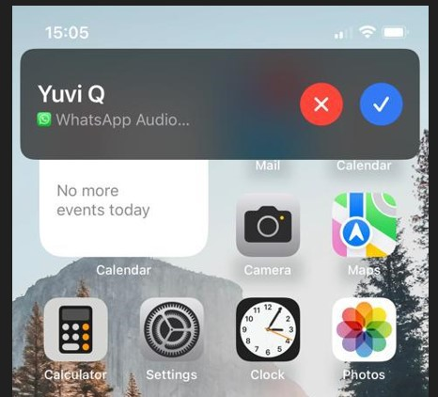
Notifications
 | Scene | Front End functionaility | Drop | Status | Timeline | Remarks | Server End | Drop | Status | Timeline | Remarks
 | 1 | Calling (Voice call)
 | a | App is minimised |  |  |  |  | Check registration in server & send push notification
 |  | Visual : A child window pops up (a small rectangle with limited functions). (Refer image Notification 1) | D1 | Not Started
 |  | Sound : Notification same as the mobile ring tone. In case mobile phone is set to silent, then there is no sound | D1 | Not Started
 |  | Actions:
 |  | On acknowledge - open up the Dialler | D1 | Not Started
 |  | On disconnect - no action | D1 | Not Started
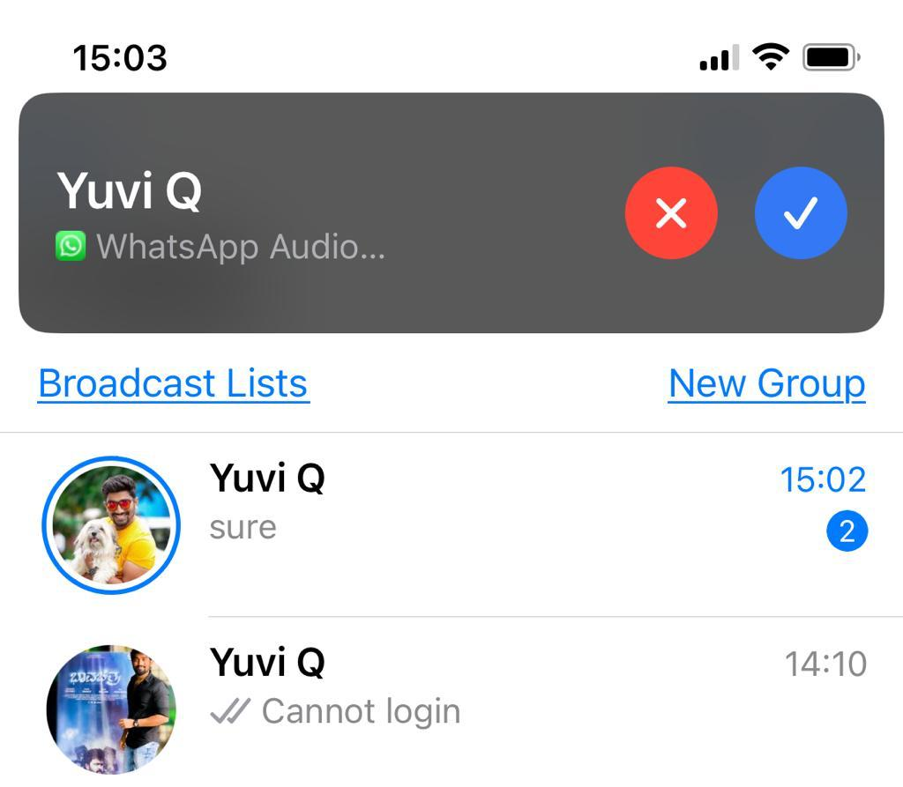
 |  | On disconnect - no action plus message (Will call you later etc) | Dx
 | b | App is open
 |  | Visual : A child window pops up (a small rectangle with limited functions). (Refer image Notification 2) | D1
 |  | Sound : Notification same as the mobile ring tone | D1
 |  | Actions:
 |  | On acknowledge - open up the Dialler (refer Notification 2.2) | D1
 |  | On disconnect - no action | D1
 |  | On disconnect - no action plus message (Will call you later etc) | Dx

 | b | Phone is locked
 |  | Visual : The complete dialler pops up | D1
 |  | Sound : Notification same as the mobile ring tone | D1
 |  | Actions:
 |  | On acknowledge - open up the Dialler | D1
 |  | On disconnect - no action | D1
 |  | On disconnect - no action plus message (Will call you later etc) | Dx

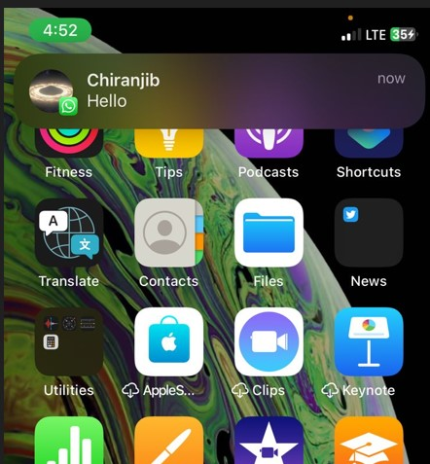
 | 2 | Messaging
 | a | App is minimised
 |  | Visual : A count on the total number of unread messages on the corner of the app | D1
 |  | Sound : A seperate sound other than the ring tone for an incoing message | D1
 |  | Action
 |  | None
 | b | When on a call
 |  | Visual : A child window pops up (a small rectangle with limited functions). (Refer image Notification 3) | D1
 |  | Sound : Not needed | D1
 |  | Actions:
 |  | On acknowledge - open the chat window of the person from who the maessage came | D1
 |  | unacknowledge - no action | D1
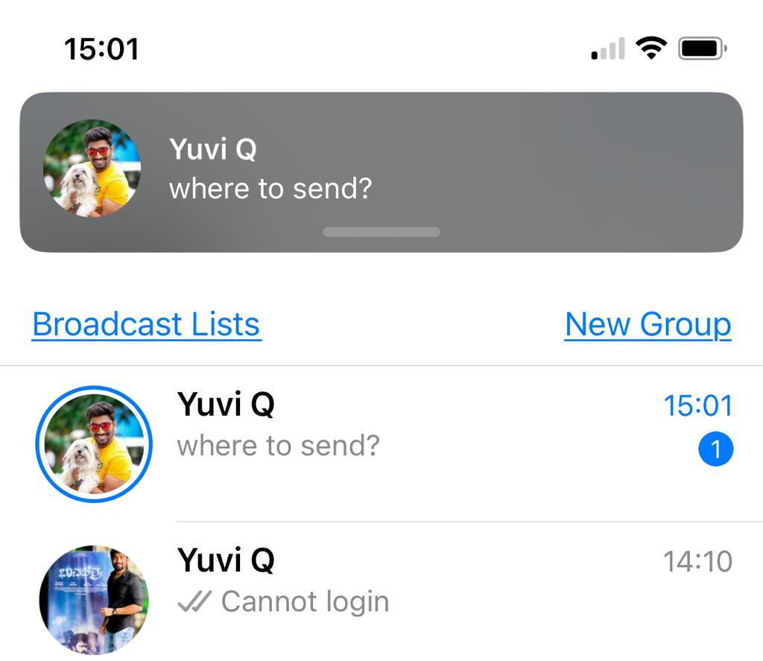
 | c | App is open
 |  | Visual : A child window pops up (a small rectangle with limited functions). (Refer image Notification 3) | D1
 |  | Sound : Notification sound as the messaging notofocation of the mobile phone. If notification sound is off then its set to off state. | D1
 |  | Actions:
 |  | On acknowledge - open the chat window of the person from who the maessage came | D1
 |  | unacknowledge - no action | D1
 | d | Phone is locked
 |  | Visual : A count on the total number of unread messages on the corner of the app | D1
 |  | Sound : A seperate sound other than the ring tone for an incoing message | D1
 |  | Action
 |  | None | D1

 | 3 | SMS
 | a | App is minimised
 |  | Visual : A count on the total number of unread messages on the corner of the app | D1
 |  | Sound : The sound of inconing SMS of the device | D1
 |  | Action
 |  | None | D1
 | b | When on a call | D1
 |  | Visual : A child window pops up (a small rectangle with limited functions). (Refer image Notification 3)
 |  | Sound : Not needed | D1
 |  | Actions:
 |  | On acknowledge - open the chat window of the person from who the maessage came | D1
 |  | unacknowledge - no action | D1
 | c | App is open
 |  | Visual : A child window pops up (a small rectangle with limited functions). (Refer image Notification 3) | D1
 |  | Sound : Notification sound as the messaging notofocation of the mobile phone. If notification sound is off then its set to off state. | D1
 |  | Actions:
 |  | On acknowledge - open the chat window of the person from who the maessage came | D1
 |  | unacknowledge - no action | D1
 | d | Phone is locked

Notifications DT app
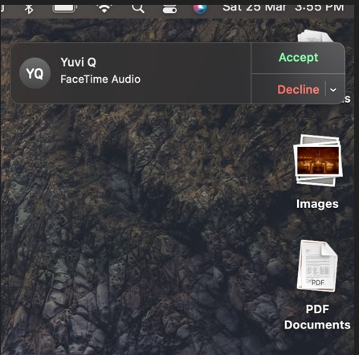
Notifications
 | Scene | Front End functionaility | Drop | Status | Timeline | Remarks | Server End | Drop | Status | Timeline | Remarks
 | 1 | Calling (Voice call)
 | a | App is minimised |  |  |  |  | Check registration in server & send push notification
 |  | Visual : A child window pops up (a small rectangle with limited functions). (Refer image Notification 1) | D1 | In Progress
 |  | Sound : Notification same as the DT app ring tone. In case DT app is set to silent, then there is no sound | D1 | In Progress |  | For Dt App it will come as it comes for incoming call when app is not minimised
 |  | Actions:
 |  | On acknowledge - open up the Dialler | D1 | In Progress |  | The child window will disappear
 |  |  | D1 | In Progress
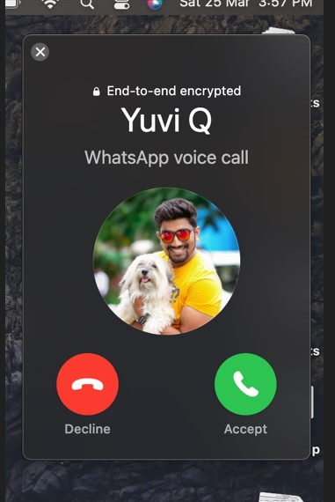
 |  |  | Dx
 | b | App is open
 |  | Visual : A child window pops up (a small rectangle with limited functions). (Refer image Notification 2) | D1
 |  | Sound : Notification same as the DT app ring tone. In case DT app is set to silent, then there is no sound | D1
 |  | Actions:
 |  |  | D1
 |  |  | D1
 |  |  | Dx

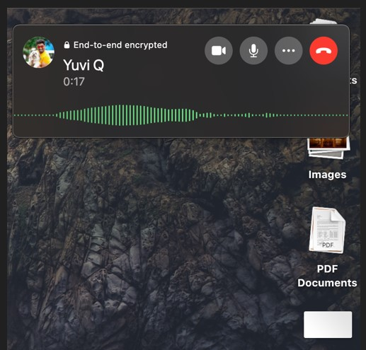
 | c | While On Call
 |  | Visual : A child window pops up (a small rectangle with limited functions). (Refer image Notification 2) | D1
 |  | Sound : Notification same as the DT ring tone | D1
 |  | Actions:
 |  | On acknowledge - open up the Dialler | D1 |  |  | The child window will disappear
 |  | On acknowledge & completion of call : The call switches back to orginal call | D1
 |  | On reject - call continues with original caller | Dx

 | 2 | Messaging
 | a | App is minimised
 |  | Visual : A count on the total number of unread messages on the corner of the app | D1
 |  | Sound : A seperate sound other than the ring tone for an incoming message | D1
 |  | Action
 |  | None
 | b | When on a call
 |  | Visual : A child window pops up (a small rectangle with limited functions). (Refer image Notification 3) | D1
 |  | Sound : Not needed | D1
 |  | Actions:
 |  | On acknowledge - open the chat window of the person from who the maessage came | D1
 |  | unacknowledge - no action | D1
 | c | App is open
 |  | Visual : A child window pops up (a small rectangle with limited functions). (Refer image Notification 3) | D1
 |  | Sound : Notification sound as the messaging notofocation of the mobile phone. If notification sound is off then its set to off state. | D1
 |  | Actions:
 |  | On acknowledge - open the chat window of the person from who the message came | D1
 |  | unacknowledge - no action | D1
 | d | Window is locked
 |  | Visual : A count on the total number of unread messages on the corner of the app | D1
 |  | Sound : A seperate sound other than the ring tone for an incoing message | D1
 |  | Action
 |  | None | D1

 | 3 | SMS
 | a | App is minimised
 |  | Visual : A count on the total number of unread messages on the corner of the app | D1
 |  | Sound : The sound of incoming SMS of the device | D1
 |  | Action
 |  | None | D1
 | b | When on a call | D1
 |  | Visual : A child window pops up (a small rectangle with limited functions). (Refer image Notification 3)
 |  | Sound : Not needed | D1
 |  | Actions:
 |  | On acknowledge - open the chat window of the person from who the maessage came | D1
 |  | unacknowledge - no action | D1
 | c | App is open
 |  | Visual : A child window pops up (a small rectangle with limited functions). (Refer image Notification 3) | D1
 |  | Sound : Notification sound as the messaging notofocation of the mobile phone. If notification sound is off then its set to off state. | D1
 |  | Actions:
 |  | On acknowledge - open the chat window of the person from who the maessage came | D1
 |  | unacknowledge - no action | D1
 | d | Window is locked

